1. Title Page
Data Analysis Report

Project Name: Instacart Analysis Report
Date: 7/12/24
Analyst Name: John Phillips

Contents:
Population Flow
Consistency checks
Wrangling steps
Column derivations
Visualizations
Recommendations

Data Citation: “The Instacart Online Grocery Shopping Dataset 2017”, Accessed from www.instacart.com/datasets/grocery-shopping-2017 via Kaggle.

2. Population Flow
Title page

Population flow

Exclusion flag
Condition: max_order <
Obervations to be removed:
Final total count of order_products_all:

Orders_products_combined
Orders_products_merged
Orders_products_all

Total: 32435059
Total: 32434489
Total: 32435059

1.) The grey boxes in the first row of the population flow represent the original data sets as they were when you downloaded them. In the Total fields you need to add the count of the rows when you imported the data set into Jupyter.
2.) The second row of boxes (coloured) represents the data sets after you manipulated them, e.g., removed missing values and duplicates. In the Total fields you need to add the count of the rows after conducting these operations. This offers a visual oveview of how the data flows throughout the data consistency checks.
3.) The third row, where also the arrows are coloured, represents the merges you performed between the datasets. In the Total fields you need to add the count of the rows in the merged datasets, so that you end up with the final dataset (in the red box). Keep in mind the final dataset should be without exclusions (based on the exclusion flag).

3. Consistency checks
 |  |  |  | Title page
Consistency checks

Dataset | Missing values | Missing values treatment | Duplicates
orders | 206209 missing values under days_since_prior_order | imputed the mean value of 11.1 | N/A
products | 16 missing values under 'product_name' | created a new df without the missing values | 5 duplicate rows removed
orders_products_prior | N/A | N/A | N/A
customers | N/A | N/A | N/A

4. Wrangling steps
 |  |  |  | Title page
Wrangling steps

Columns dropped | Columns renamed | Columns' type changed | Comment/Reason
eval_set |  |  | doesn't serve the analysis; only one value ('prior')
 | order_dow-> orders_day_of_week |  | easier to understand what the column is for
 |  | order_id | doesn't represent a real numeric value
 |  | user_id | doesn't represent a real numeric value
 | order_hour_of_day-> order_hour |  | more concise

5. Column derivations
 |  |  |  | Title page

Column derivations and aggregations

In this tab you should add tables below that the frequences of flags/label variables that you produced after deriving them. NB: don't do this for continuous variables, only for flags.
Dataset | New column | Column/s it was derived from | Conditions
ords_prods_merge | price_range_loc | prices | if prices are over 15= 'high-range product'; prices between 5 and 15 are 'mid-range product'; prices under 5 are 'low-range product'
ords_prods_merge | busiest_days | orders_day_of_week | assign values of 'busiest days', 'regularly busy' and 'slowest days' based on the day of the week
ords_prods_merge | busiest_period_of_day | order_hour | assign values of 'most orders', 'average orders' and 'fewest orders' based on time of day
ords_prods_merge | loyalty_flag | max_order | assign values of 'loyal customer', 'regular customer', and 'new customer' based on the number of orders they've had
ords_prods_merge | avg_price | prices, user_id | assign values of 'low spender' or 'high spender' based on average amount a customer spends per order
ords_prods_merge | median_days | days_since_prior_irder, user_id | assign values of 'non-frequent customer', 'regular customer' or 'frequent customer' based on amount of time they have between orders

Frequency Tables
price_range_loc | count
Mid-range product | 21860860
Low-range product | 10126321
High-range product | 417678
NaN | 30200

busiest_day | count
Regularly busy | 22437988
Busiest day | 6209808
Least busy | 3787263

busiest_days | count
Regularly busy | 12927862
Busiest days | 11875759
Slowest days | 7631438

busiest_period_of_day | count
Most orders | 21137805
Average orders | 10006995
Fewest orders | 1290259

loyalty_flag | count
Regular customer | 15891507
Loyal customer | 10294027
New customer | 6249525

spending_flag | count
Low spender | 31800381
High spender | 634678

frequency_flag | count
Frequent customer | 20554936
Regular customer | 9176025
Non-frequent customer | 2704098

6. Visualizations
 |  |  | Title page
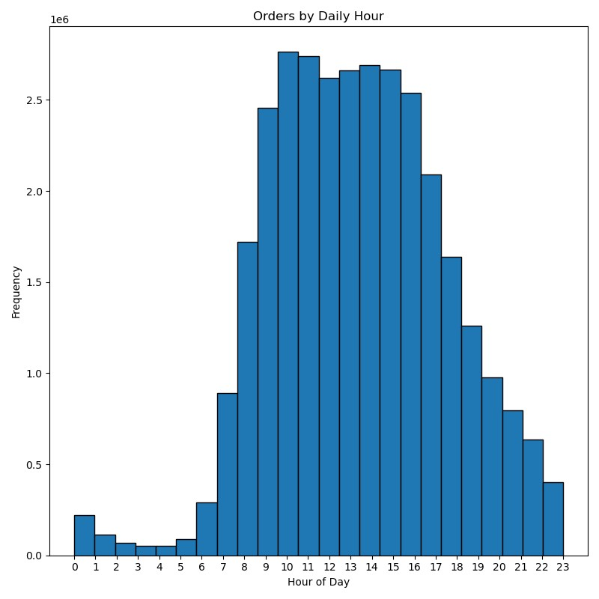
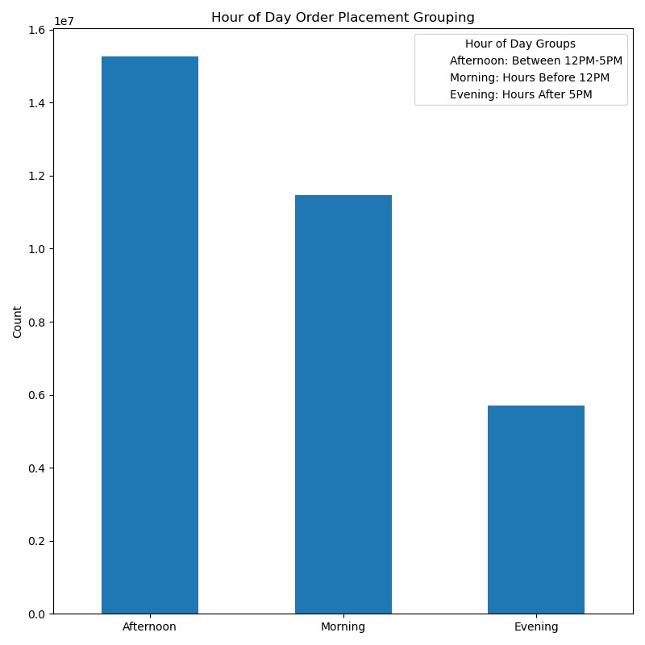
Visualisations

In this tab you should include all the visualtions from Exercises 4.9 and 4.10, alongside the questions from the project brief that they answer. Include any commentary on the relationship between different variables.

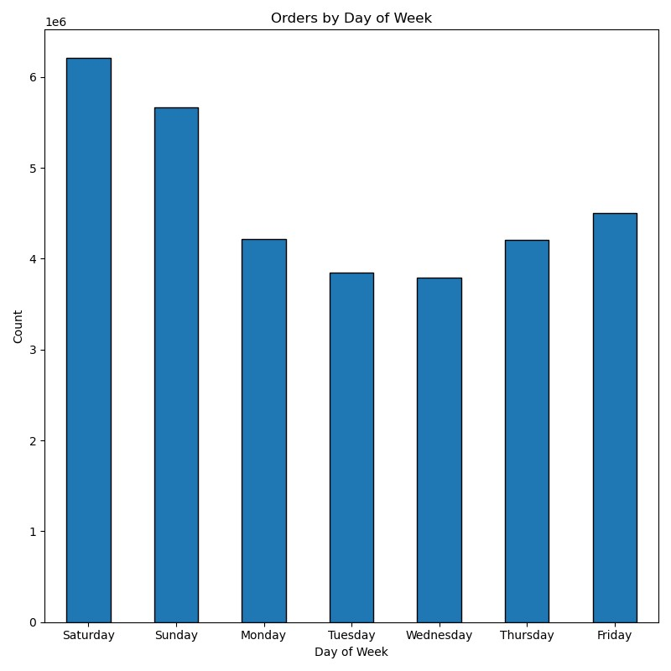

 |  |  |  | Another visual for spending habits throughout the day
 |  | Q: Which hours of the day are the busiest?

Q: Which days of the week are the busiest?

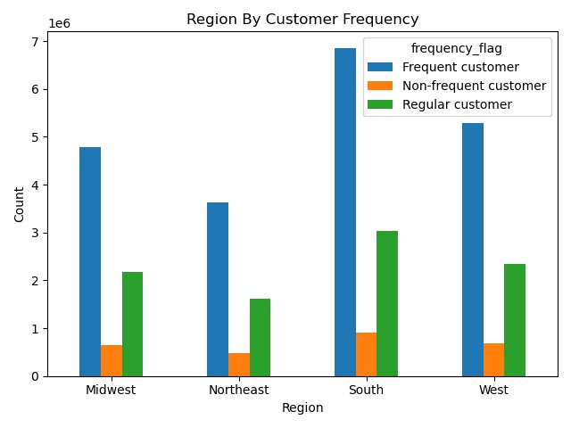
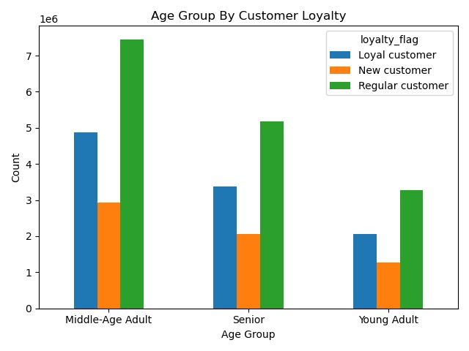
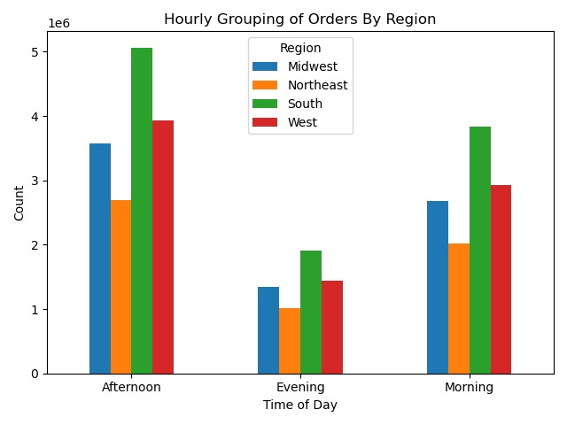

Q: What's the distribution among users regarding frequency of use/brand loyalty? | Q: are there differences in a customer's ordering habits based on their region?

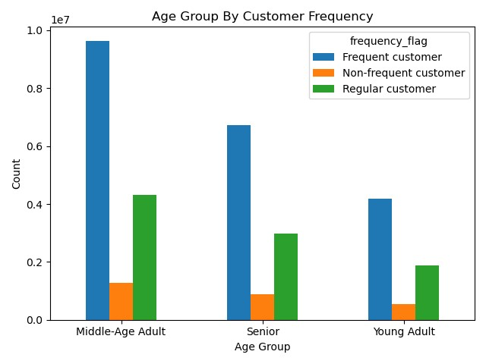

Q: is there a connection between age and family status in terms of ordering habits?

7. Recommendations
 |  |  |  |  |  |  |  | Title page

Recommendations

In this tab you should include any recommendations you would made to Instcart in terms of their marketing strategy based on the questions posed in the brief. Every key question has been covered in the Tasks of the Exercises - here you need to add an item - a visualisation or table/crosstable that is showing the answer in the data, acompanied by a comment from you. Please, list the questions below and add the answer underneath.

Question: What are the busiest days of the week? |  |  |  | Question: What are the busiest hours of the day? |  |  |  |  | Question: How can we group our products by price range to direct marketing efforts?
Answer: Saturday and Sunday |  |  |  | Answer: 9am to 3pm |  |  |  |  | Answer: Low range (under $5); mid-range (between $5-$15); high range ($15 and above)
Recommendation: Schedule ads for Monday, Tuesday and Wednesday, as they are the least busiest days. |  |  |  | Recommendation: Schedule ads in the early morning and in the early afternoon/evening to boost activity. |  |  |  |  | Recommendation: the vast majority of Instacart products are below $15, so focusing efforts on this range can help boost revenue.

 |  |  |  |  |  |  |  |  |  | price_range_loc |  |  | count | percentage of total
 |  |  |  |  |  |  |  |  |  | Mid-range product |  |  | 21860860 | 67.5%
 |  |  |  |  |  |  |  |  |  | Low-range product |  |  | 10126321 | 31.2%
 |  |  |  |  |  |  |  |  |  | High-range product |  |  | 417678 | 1.3%

 |  |  |  |  |  |  |  |  | Question: Are there any differences in spending habits based on family status?
 |  |  |  |  |  |  |  |  | Answer: There doesn't appear to be a significant difference. Across the board, about 98% of users from each group are low spenders
 |  |  |  |  |  |  |  |  | Recommendation: Increased marketing efforts for the married group. Most likely being the most financially stable, and probably having the most mouths to feed, this group will be the best option to focus on.

 |  |  |  |  |  |  |  |  |  | fam_status | High spender | Low spender
 |  |  |  |  |  |  |  |  |  | divorced/widowed | 1.9% | 98.1%
 |  |  |  |  |  |  |  |  |  | living with parents and siblings | 1.9% | 98.1%
 |  |  |  |  |  |  |  |  |  | married | 2.0% | 98.0%
 |  |  |  |  |  |  |  |  |  | single | 1.9% | 98.1%

Question: Whats's the distribution among users in regards to their brand loyalty? |  |  |  |  | Question: Which departments have the highest frequency of product orders?
Answer: About half the customers are regular, while almost 1/3 of them are loyal |  |  |  |  | Answer: produce, dairy eggs, and snacks round out the top 3 most popular departments
Recommendation: Focus on improving loyalty among the large 'regular customer' base through targeted ads or deals |  |  |  |  | Recommendation: consider increasing marketing efforts for the less popular departments to try to boost revenue.

 | loyalty_flag | count | percentage of total |  |  | department_id | count | percentage of total
 | Regular customer | 15891507 | 49.0% |  |  | produce | 9479291 | 29.25%
 | Loyal customer | 10294027 | 31.7% |  |  | dairy eggs | 5398747 | 16.66%
 | New customer | 6249525 | 19.3% |  |  | snacks | 2887550 | 8.91%
 |  |  |  |  |  | beverages | 2688123 | 8.30%
 |  |  |  |  |  | frozen | 2234743 | 6.90%
 |  |  |  |  |  | pantry | 1875369 | 5.79%
 |  |  |  |  |  | bakery | 1172428 | 3.62%
 |  |  |  |  |  | canned goods | 1068058 | 3.30%
 |  |  |  |  |  | deli | 1051249 | 2.67%
 |  |  |  |  |  | dry goods pasta | 866627 | 2.67%
 |  |  |  |  |  | household | 738666 | 2.28%
 |  |  |  |  |  | meat seafood | 708927 | 2.19%
 |  |  |  |  |  | breakfast | 703033 | 2.17%
 |  |  |  |  |  | personal care | 447572 | 1.38%
 |  |  |  |  |  | babies | 423802 | 1.31%
 |  |  |  |  |  | international | 269253 | 0.83%
 |  |  |  |  |  | alcohol | 153696 | 0.47%
 |  |  |  |  |  | pets | 97716 | 0.30%
 |  |  |  |  |  | missing | 69145 | 0.21%
 |  |  |  |  |  | other | 36291 | 0.11%
 |  |  |  |  |  | bulk | 34573 | 0.11%

